Prod LD1
Checked
Doc No : SL-IP-001-00
Berlaku : 19 Nov 2001
Halaman : 1 dari 2
Checked
Berlaku : 27 April 2020
Doc No. : BG-LM-001
Rev No. : 00
PT.Sharp Semiconductor Indonesia
Production Engineering Department
Compound Process Engineering
TEMPORARY
Single Laser Ø 9.0

Production Process Control Sheet LDSM Machine
Single Laser Ø 9.0

MACHINE No |  | :
No. | Model Name | Lot No. | Operator Name | Shift/ Group | Date | @Time |  | @Quantity |  | Yield (%) | @Measuring of 2x Bonding stage number (Back stage & Front stage)/Lot |  |  |  |  |  |  | *AuSn |  | *STEM |  | Checked By Foreman | Remark
 |  |  |  |  |  | IN | OUT | IN | OUT |  | Sample | LD Chip & SM |  |  | LD Chip (COS) & Stem
 |  |  |  |  |  |  |  |  |  |  |  | Point 6 (θc) | Point 5 (Xc) | Point 4 (Zo) | Point 1 (X) | Point 2 (Z) | Point 3 (θ) | OK | NG | OK | NG
 |  |  |  | / |  |  |  |  |  |  | Front 1
 |  |  |  |  |  |  |  |  |  |  | Front 2
 |  |  |  |  |  |  |  |  |  |  | Back 1
 |  |  |  |  |  |  |  |  |  |  | Back 2
 |  |  |  | / |  |  |  |  |  |  | Front 1
 |  |  |  |  |  |  |  |  |  |  | Front 2
 |  |  |  |  |  |  |  |  |  |  | Back 1
 |  |  |  |  |  |  |  |  |  |  | Back 2
 |  |  |  | / |  |  |  |  |  |  | Front 1
 |  |  |  |  |  |  |  |  |  |  | Front 2
 |  |  |  |  |  |  |  |  |  |  | Back 1
 |  |  |  |  |  |  |  |  |  |  | Back 2
 |  |  |  | / |  |  |  |  |  |  | Front 1
 |  |  |  |  |  |  |  |  |  |  | Front 2
 |  |  |  |  |  |  |  |  |  |  | Back 1
 |  |  |  |  |  |  |  |  |  |  | Back 2
 |  |  |  | / |  |  |  |  |  |  | Front 1
 |  |  |  |  |  |  |  |  |  |  | Front 2
 |  |  |  |  |  |  |  |  |  |  | Back 1
 |  |  |  |  |  |  |  |  |  |  | Back 2
 |  |  |  | / |  |  |  |  |  |  | Front 1
 |  |  |  |  |  |  |  |  |  |  | Front 2
 |  |  |  |  |  |  |  |  |  |  | Back 1
 |  |  |  |  |  |  |  |  |  |  | Back 2
 | Keterangan : |  |  |  |  |  |  |  |  |  |  |  |  |  |  |  |  |  |  |  |  |  |  | Keterangan :
 | @ | : Isi kolom dengan waktu pengerjaan/nilai (Value) pada alat ukur. |  |  |  |  |  |  |  |  |  |  |  |  |  |  |  |  |  |  |  |  |  | @ | : Isi kolom dengan waktu pengerjaan dan nilai (Value) pada alat ukur/mesin.
 | * | : Isi kolom (√) bila kondisi OK, dan (x) bila kondisi NG dan bila dikerjakan. |  |  |  |  |  |  |  |  |  |  |  |  |  |  |  |  |  |  |  |  |  | * | : Isi kolom (√) bila kondisi OK, dan (x) bila kondisi NG dan bila dikerjakan.
 | * AuSn | : AUSN cukup meleleh diantara Submount dan Stem
 |  | (Menyebarkan AUSN dari 3 atau 4 sisi submount) |  |  |  |  |  |  |  |  |  |  |  |  |  |  |  |  |  |  |  |  |  | Note : | * AuSn | : AUSN cukup meleleh diantara Submount dan Stem
 | * STEM | : Lakukan pengecekkan Stem (Sratch/Chipping/dent) |  |  |  |  |  |  |  |  |  |  |  |  |  |  |  |  |  |  |  |  |  |  |  | (Menyebarkan AUSN dari 3 atau 4 sisi submount)
 |  |  |  |  |  |  |  |  |  |  |  |  |  |  |  |  |  |  |  |  |  |  |  |  | * STEM | : Lakukan pengecekkan Stem (Sratch/Chipping/dent)
Halaman : 2 dari 2
Berlaku : 27 April 2020
Doc No. : BG-LM-001
Rev No. : 00
PT.Sharp Semiconductor Indonesia
Production Engineering Department
TEMPORARY
Compound Process Engineering
Single Laser f 9.0

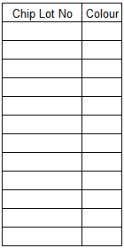
 | Model Name | Lot No. | Operator Name | Date | Shift/ Group | @Die Bonding Strength (2x Bonding stage number (Back stage & Front stage) /Lot) |  |  |  |  |  | @Wettability area ≥ 90% |  |  |  |  | Checked By Foreman | Remark
 |  |  |  |  |  | Sample | LD Chip & SM |  |  | Submount & Stem |  | LD Chip& SM |  | Submount &Stem)
 |  |  |  |  |  |  | Result | Remain % LD | Judge (OK/NG) | Result | Judge (OK/NG)
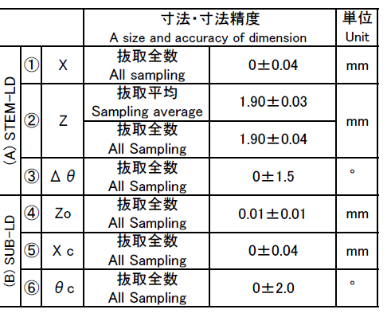
 |  |  |  |  |  | Front 1
 |  |  |  |  |  | Front 2
 |  |  |  |  |  | Back 1
 |  |  |  |  |  | Back 2
 |  |  |  |  |  | Front 1
 |  |  |  |  |  | Front 2
 |  |  |  |  |  | Back 1
 |  |  |  |  |  | Back 2
 |  |  |  |  |  | Front 1
 |  |  |  |  |  | Front 2
 |  |  |  |  |  | Back 1
 |  |  |  |  |  | Back 2
 |  |  |  |  |  | Front 1
 |  |  |  |  |  | Front 2
 |  |  |  |  |  | Back 1
 |  |  |  |  |  | Back 2
 |  |  |  |  |  | Front 1
 |  |  |  |  |  | Front 2
 |  |  |  |  |  | Back 1 |  |  |  |  |  |  |  |  |  |  |  |  |  |  |  |  |  |  | 7310252527
 |  |  |  |  |  | Back 2 |  |  |  |  |  |  |  |  |  |  |  |  |  |  |  |  |  |  | 58171
 |  |  |  |  |  | Front 1
 |  |  |  |  |  | Front 2
 |  |  |  |  |  | Back 1
 |  |  |  |  |  | Back 2
 | A. Die Bonding Strength : |  |  |  |  |  |  |  |  |  |  |  | B. Foregoing LD Chip & SM |  |  |  |  |  |  |  |  |  |  |  | LD Chip & SM
1. | LD Chip & SM |  |  |  |  |  |  | 2. Submount & STEM |  |  |  |  | 1. LD Chip & SM |  |  |  |  |  |  |  |  |  |  | Model | point 6 (°) = θc | point 5 (mm) = Xc | point 4 (mm) = Zo
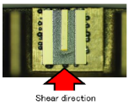
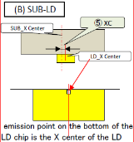
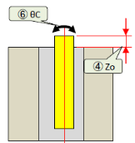
 |  |  |  |  |  |  |  |  |  |  |  |  |  |  |  |  |  |  |  |  |  |  |  | GH04C01A2G | -2 ~ 2 | -0.040 ~ 0.040 | 0 ~ 0,020

 |  |  |  |  |  |  |  |  |  |  |  |  |  |  |  |  |  |  |  |  |  |  |  |  | LD Chip (COS) & Stem

 |  |  |  |  |  |  |  |  |  |  |  |  |  |  |  |  |  |  |  |  |  |  |  | Model | point 1 (mm) = X | point 2 (mm) = Z | point 3 (°) = θ
 |  |  |  |  |  |  |  |  |  |  |  |  |  |  |  |  |  |  |  |  |  |  |  | GH04C01A2G | -0.040 ~ 0.040 | 1.87 ~ 1.93 | -1.5 ~ 1.5

 |  |  |  |  |  |  |  |  |  |  |  |  | 2. LD Chip & Stem
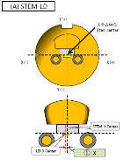
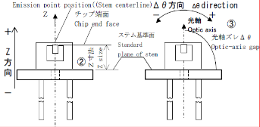
 | Wettability Standard : |  |  |  |  | AuSn Standard :

